Sheet1
Test case | Test description | Test steps | Requirement | Result
TC01 | Verify display of E. coli contaminant levels in water based on location | 1. Open Postman. 2. Enter the Waterqualitydata.us API URL for E. coli levels. 3. Enter the API key in the authorization header. 4. Change the latitude and longitude in the request parameters. 5. Send the request to fetch E. coli data for the new location. 6. Verify the data drawn from the API matches the expected unit. 7. Check if the software displays the E. coli level correctly in the app for the new location. | RE1 | Pass
TC02 | Verify display of PM2.5 air pollutant levels based on location | 1. Open Postman. 2. Enter the OpenWeatherMap API URL for PM2.5 levels. 3. Enter the API key in the authorization header. 4. Change the latitude and longitude in the request parameters. 5. Send the request to fetch PM2.5 data for the new location. 6. Verify the data drawn from the API matches the expected unit. 7. Check if the software displays the PM2.5 level correctly in the app for the new location. | RE2 | Pass
TC03 | Verify display of PM10 air pollutant levels based on location | 1. Open Postman. 2. Enter the OpenWeatherMap API URL for PM10 levels. 3. Enter the API key in the authorization header. 4. Change the latitude and longitude in the request parameters. 5. Send the request to fetch PM10 data for the new location. 6. Verify the data drawn from the API matches the expected unit. 7. Check if the software displays the PM10 level correctly in the app for the new location. | RE3 | Pass
TC04 | Verify location accuracy of environmental data | 1. Open Postman. 2. Enter the relevant API URL for environmental data. 3. Enter the API key in the authorization header. 4. Change the latitude and longitude in the request parameters. 5. Send the request to fetch environmental data for the new location. 6. Verify if the data is accurate within ±30 meters of the new location. 7. Check if the data displays correctly in the app. | RE4 | Pass | Requirements:
TC05 | Verify display of tree pollen levels based on location | 1. Open Postman. 2. Enter the AccuWeather API URL for tree pollen data. 3. Enter the API key in the authorization header. 4. Change the latitude and longitude in the request parameters. 5. Send the request to fetch tree pollen data for the new location. 6. Verify the data drawn from the API matches the expected unit. 7. Check if the software categorizes the tree pollen level correctly in the app for the new location. | RE5 | Pass | ID | Description
TC06 | Verify display of pH levels based on location | 1. Open Postman. 2. Enter the Waterqualitydata.us API URL for pH levels. 3. Enter the API key in the authorization header. 4. Change the latitude and longitude in the request parameters. 5. Send the request to fetch pH data for the new location. 6. Verify the data drawn from the API matches the expected unit. 7. Check if the software displays the pH level correctly in the app for the new location. | RE6 | Pass | RE1 | The software shall display E. coli contaminants levels in water with an accuracy of ±10 MPN/100 mL.​
TC07 | Verify display of lead contaminants in water based on location | 1. Open Postman. 2. Enter the Waterqualitydata.us API URL for lead contaminants. 3. Enter the API key in the authorization header. 4. Change the latitude and longitude in the request parameters. 5. Send the request to fetch lead contamination data for the new location. 6. Verify the data drawn from the API matches the expected unit. 7. Check if the software displays the lead contamination level correctly in the app for the new location. | RE7 | Pass | RE2 | The software shall display Particulate Matter (PM2.5) air pollutant, mainly with an accuracy of ±1 µg/m³.​
TC08 | Verify display of grass pollen levels based on location | 1. Open Postman. 2. Enter the AccuWeather API URL for grass pollen data. 3. Enter the API key in the authorization header. 4. Change the latitude and longitude in the request parameters. 5. Send the request to fetch grass pollen data for the new location. 6. Verify the data drawn from the API matches the expected unit. 7. Check if the software categorizes the grass pollen level correctly in the app for the new location. | RE8 | Pass | RE3 | The software shall display PM10 air pollutant, with an accuracy of ±5 µg/m³.​
TC09 | Verify display of ragweed pollen levels based on location | 1. Open Postman. 2. Enter the AccuWeather API URL for ragweed pollen data. 3. Enter the API key in the authorization header. 4. Change the latitude and longitude in the request parameters. 5. Send the request to fetch ragweed pollen data for the new location. 6. Verify the data drawn from the API matches the expected unit. 7. Check if the software categorizes the ragweed pollen level correctly in the app for the new location. | RE9 | Pass | RE4 | All data shall be accurate within ±30 meters of the user’s location.​
TC10 | Verify display of mold pollen levels based on location | 1. Open Postman. 2. Enter the AccuWeather API URL for mold pollen data. 3. Enter the API key in the authorization header. 4. Change the latitude and longitude in the request parameters. 5. Send the request to fetch mold pollen data for the new location. 6. Verify the data drawn from the API matches the expected unit. 7. Check if the software categorizes the mold pollen level correctly in the app for the new location. | RE10 | Pass | RE5 | The software shall display tree pollen levels and provide categories based on the predefined ranges from 0 to 1,000,000.​
TC11 | Verify user input of local Covid outbreaks by location | 1. Open Postman. 2. Enter the NYT and CDC API URL for Covid data. 3. Enter the API key in the authorization header. 4. Change the latitude and longitude in the request parameters. 5. Send the request to fetch Covid outbreak data for the new location. 6. Verify the data drawn from the API matches the expected unit. 7. Check if the software displays the Covid outbreak data correctly in the app for the new location. | RE11 | Pass | RE6 | The software shall display pH measurements with an accuracy of ±0.1​
TC12 | Verify login functionality for patients | 1. Input valid email and password. 2. Verify successful login. | RE12 | Pass | RE7 | The software shall display lead contaminants levels in water with an accuracy of ±1 micro g/l.​
TC13 | Verify signup functionality for patients | 1. Input valid email and password for signup. 2. Verify successful account creation. | RE13 | Pass | RE8 | The software shall display grass pollen levels and provide categories based on the predefined ranges from 0 to 1,000,000.​
 |  |  |  |  | RE9 | The software shall display ragweed pollen levels and provide categories based on the predefined ranges from 0 to 1,000,000.​
 |  |  |  |  | RE10 | The software shall display mold pollen levels and provide categories based on the predefined ranges from 0 to 1,000,000.​
 |  |  |  |  | RE11 | The user shall be able to input information about local outbreaks of covid epidemics.​
 |  |  |  |  | RE12 | The software shall provide login functionality for patients using email and password.​
 |  |  |  |  | RE13 | The software shall provide signup functionality for patients using email and password.​

 | 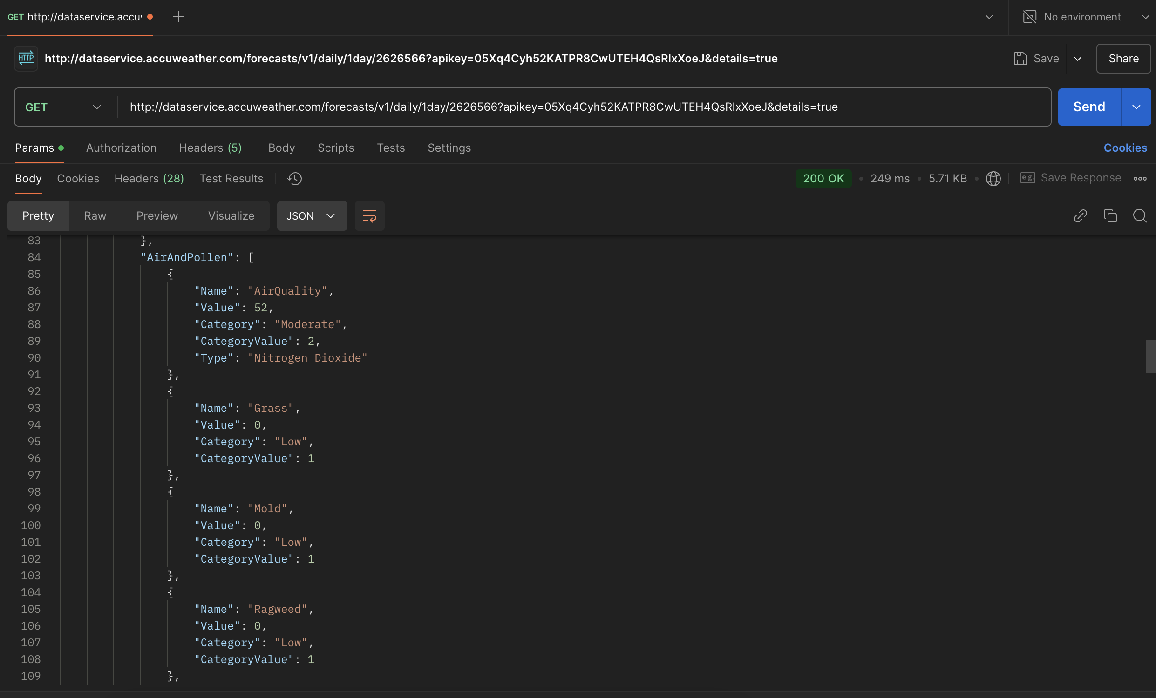 | 